CURRENT CONTRACT
FURNITURE CATALOGUE - 2026/27 WESTERN CAPE EDUCATION DEPARTMENT (WCED)
ITEM | DESCRIPTION | IMAGE SHOWING DESIGN | ITEM | DESCRIPTION | IMAGE SHOWING DESIGN
1 | GRADE “R” STACKABLE STEEL FRAME CHAIR | 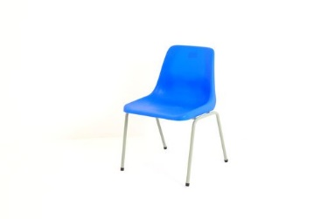 | 2 | GRADE “R” STEEL FRAME TABLE
3 | LOWER PRIMARY STACKABLE STEEL FRAME CHAIR (FOUNDATION PHASE) |  | 4 | LOWER PRIMARY STACKABLE STEEL FRAME DOUBLE TABLE (FOUNDATION PHASE) | 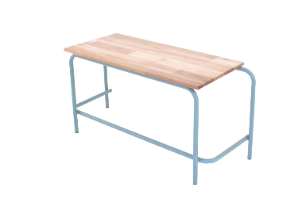
5 | HIGHER PRIMARY STACKABLE STEEL FRAME CHAIR (SENIOR PRIMARY) | 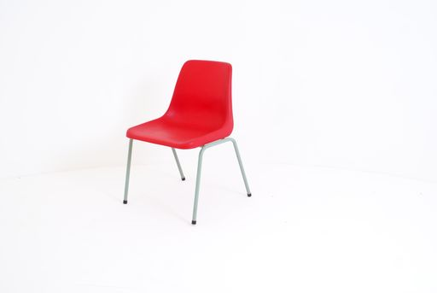 | 6 | HIGHER PRIMARY STACKABLE STEEL FRAME DOUBLE TABLE (SENIOR PRIMARY) | 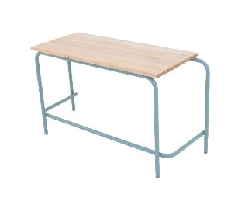
7 | SECONDARY STACKABLE STEEL FRAME CHAIR | 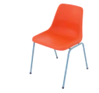 | 8 | SECONDARY STACKABLE STEEL FRAME 550 mm SINGLE TABLE | 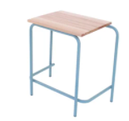
9 | SECONDARY STACKABLE STEEL FRAME 750 mm SINGLE TABLE | 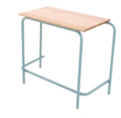 | 10 | LABORATORY STOOLS (SECONDARY)
11 | LABORATORY STOOLS (PRIMARY) |  | 12 | LABORATORY TABLES | 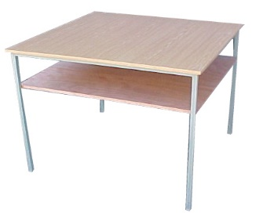
13 | PRINCIPAL HIGH BACK SWIVEL AND TILT CHAIRS | 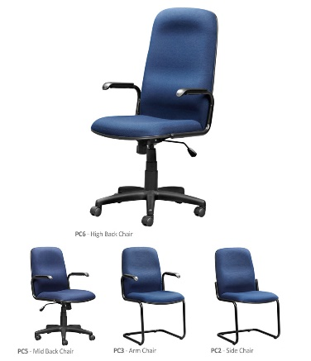 | 14 | PRINCIPAL DESKS WITH THREE (3) LOCKABLE DRAWERS | 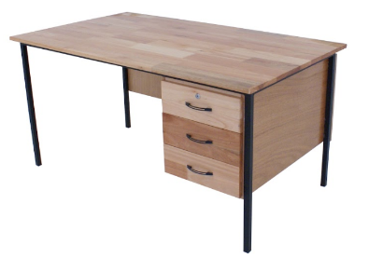
15 | PRINCIPAL CUPBOARD: GLAZED DOOR BOOKCASE |  | 16 | VISITOR CHAIRS - SLEIGH BASE SIDE CHAIR
17 | TYPIST CHAIRS |  | 18 | LIBRARY READING TABLES | 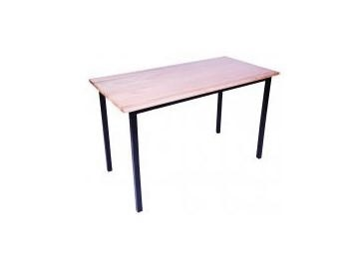
19 | STEEL CUPBOARDS |  | 20 | STEEL FILING CABINETS
21 | CLASSROOM BOOKSHELVES FOR LEARNERS | 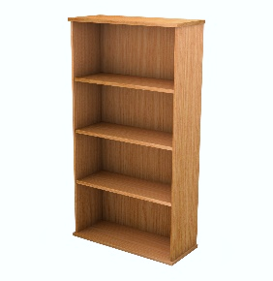 | 22 | UPHOLSTERED TEACHER'S CHAIR WITHOUT ARMS
23 | TEACHERS DESKS WITH 2 DRAWERS | 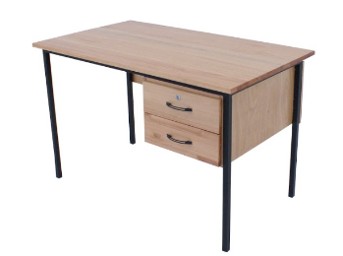 | 24 | STAFFROOM TABLE
25 | HALL CHAIRS | 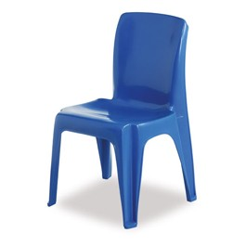 | 26 | TRAPEZIUM/ TRAINING TABLE | 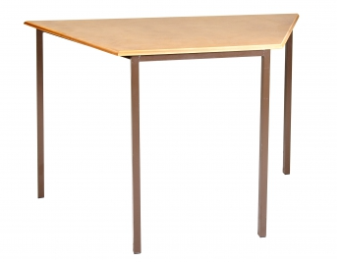
27 | DOUBLE COMBINATION DESK (LOWER PRIMARY) | 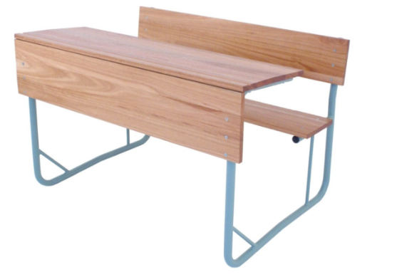 | 28 | DOUBLE COMBINATION DESK (HIGHER PRIMARY) | 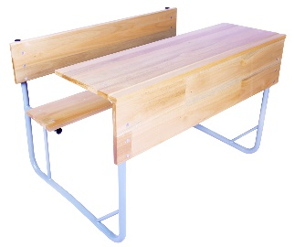
29 | DOUBLE COMBINATION DESK (SECONDARY) |  | 30 | SINGLE COMBINATION DESK (SECONDARY) | 